Instructions
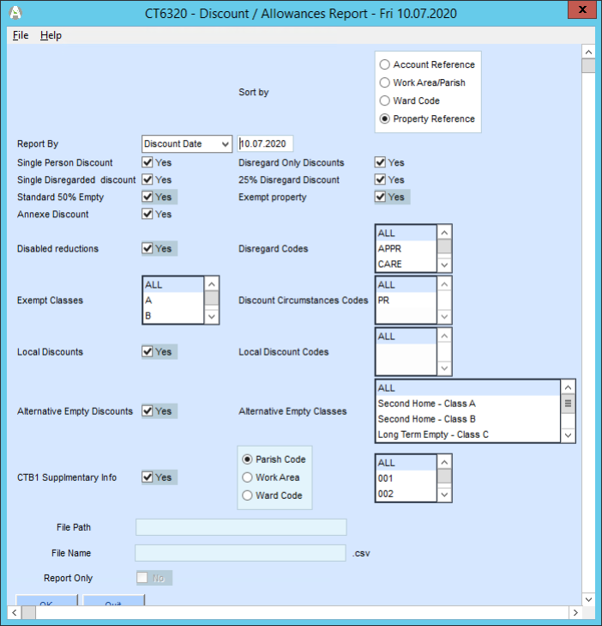
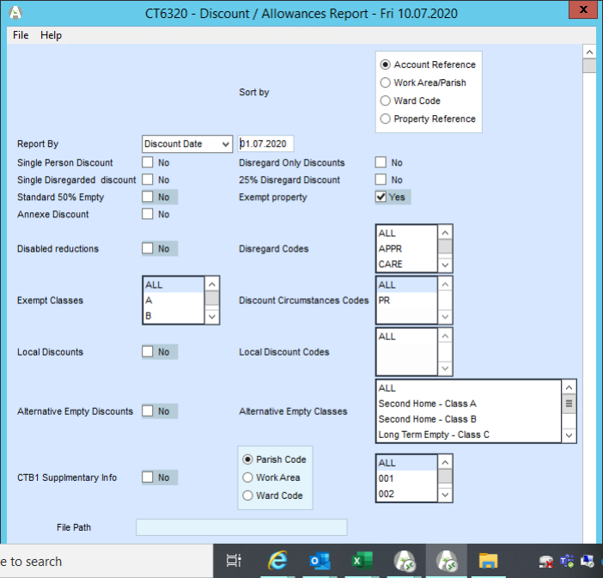

Previous years data appears to have been lost when the Udrive was reviewed, assesed and then removed.

Once your tab is completed, raise a case via Salesforce to Comms asking them to update their website
https://www.eastleigh.gov.uk/council/general-public-information/freedom-of-information/foi-frequently-requested-information
specifically the hyperlink "Latest Data" under the heading Council Tax Empty and Discount Totals

K.Blair
24.10.202

K.Blair
24.10.2023

